Sheet1
Components | Material | Dimensions (LxWxH) (in.) | Avg. Vol (in^3) | Is it in lab? (Y/N) | weight (lb) | Cost ($) | CGx (feet) | Power Consumption (W) | Do we have it?
Jetson Nano | N/A | 2.72x1.77x1.77 | 8.52 |  | 0.531 | 297 |  | 10 | Yes | https://www.amazon.com/NVIDIA-Jetson-Nano-Developer-945-13450-0000-100/dp/B084DSDDLT/ref=dp_fod_1?pd_rd_i=B084DSDDLT&psc=1
Pixhawk 4 |  | 1.512x1.512x0.866 | 1.98 | Y | 0.161 | 367 |  | 2.5 | Yes | https://irlock.com/products/cube-orange-standard-set-imu-v8?variant=40910825979955&currency=USD&utm_medium=product_sync&utm_source=google&utm_content=sag_organic&utm_campaign=sag_organic&utm_campaign=gs-2018-09-19&utm_source=google&utm_medium=smart_campaign&gclid=Cj0KCQjw1bqZBhDXARIsANTjCPKiI3N5r5XynQF1J-_qJuS23ZdOz3OdT21rop8Pt3jcvD8OCGSkICYaAlTgEALw_wcB
 |  | 3.72x1.744x0.6811 | 4.42
Battery | Lipo | 6.1x1.93x1.09 | 12.83 |  | 0.9502 | $29.61 |  | 5000mAh | * |  | https://hobbyking.com/en_us/turnigy-nano-tech-plus-5000mah-3s-70c-lipo-pack-w-xt90.html?queryID=b85d9772d88392cccdecc9d120a7b40b&objectID=85760&indexName=hbk_live_products_analytics
ADAfruit GPS |  | 0.59x0.59x0.157 | 0.05 |  | 0.0187393 | 30 |  |  | No | https://www.adafruit.com/product/746
 |  | 2.36x0.945x0.354 | 0.79 |  |  |  |  |  | No | https://irlock.com/collections/pixhawk2/products/here3-gnss-m8p
Intel Dual Band Wireless-Ac 8265 |  | 0.09 x 1.18 x 0.87 |  |  | 0.02204623 | 22 |  |  | Yes | https://www.amazon.com/gp/product/B01MZA1AB2/ref=ppx_od_dt_b_asin_image_s00?ie=UTF8&psc=1

Transceiver |  | 2.244x1.18x0.504 | 1.33 |  | 0.0397 | 99 |  |  | Yes | https://www.readymaderc.com/products/details/rfdesign-rfd-900x-modem-us-fcc?srsltid=AR5OiO0PDzz9x4Kb9aGqFa7n-l8abJQrqavBUwLqHvthYgYmuZxfGO_MQ0Y
 |  | 2.57x1.205x0.354 | 1.1 |  | 0.02425 | 19.95 |  |  | No | https://www.adafruit.com/product/4073

(3) Failsafe Thermal Sensors (for ESC, Pixhawk, Jetson) |  |  |  |  |  | 25.35 |  |  | No | https://www.mouser.com/c/semiconductors/interface-ics/sensor-interface/?q=T%20type%20thermocouple
Temp sensor |  |  |  |  | 0.249 | 10.99 |  |  | No | https://www.amazon.com/HiLetgo-DS18B20-Temperature-Stainless-Waterproof/dp/B00M1PM55K/ref=sr_1_3?_encoding=UTF8&keywords=ds18b20&linkCode=ll2&linkId=3ac3654f99df319e7af3da6d30df7f78&qid=1664573227&qu=eyJxc2MiOiI0Ljg1IiwicXNhIjoiNC4zNCIsInFzcCI6IjQuMjIifQ%3D%3D&sr=8-3

Camera |  | 3.346x0.945x1.011 |  |  | 0.045 | 56.99 |  |  | No | https://www.seeedstudio.com/IMX219-130-Camera-130-FOV-Applicable-for-Jetson-Nano-p-4606.html?gclid=Cj0KCQiAgribBhDkARIsAASA5btfgNCSfmG9J4oxTYxHVIUF82QmpMX4c60l0ddFmSfYm3fF40XMWGMaAn2aEALw_wcB
 |  |  |  |  | 0.06625 | 29.15 |  |  | Maybe

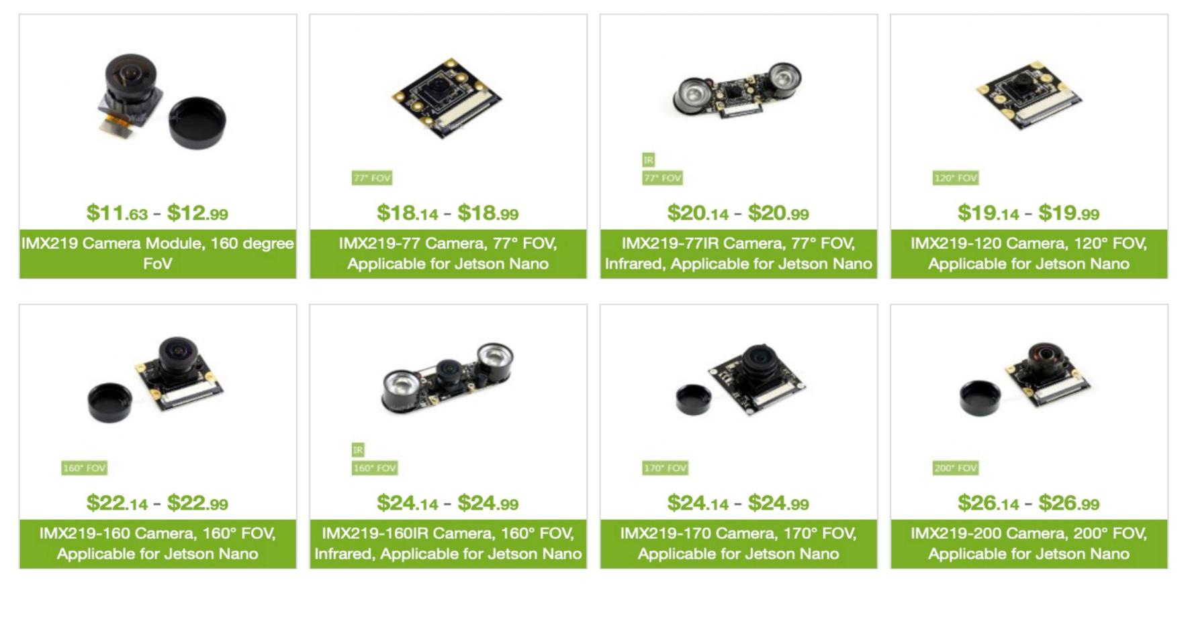

 |  |  |  |  | Total weight: | Total cost: |  |  |  |  |  | https://www.waveshare.com/product/imx219-83-stereo-camera.htm
 |  |  |  |  | 2.10718553 | 987.04

 |  |  |  |  |  |  |  |  |  | https://www.crowdsupply.com/virt2real/stereopi/updates/which-cameras-for-nvidia-jetson-nano-can-be-used-with-the-stereopi

